Folha1
abbreviation | measured | value
A | biz.ganttproject.core.calendar | 0.35294117647
A | biz.ganttproject.core.calendar.walker | 0.5 |  | Média | Valor Máximo
A | biz.ganttproject.core.chart.canvas | 0.21052631579 | A | 0.24 | 1.0
A | biz.ganttproject.core.chart.grid | 0.28571428571 | Ca | 199.14 | 2537
A | biz.ganttproject.core.chart.render | 0 | Ce | 199.14 | 2707
A | biz.ganttproject.core.chart.scene | 0.7 | D | 0.34 | 1.0
A | biz.ganttproject.core.chart.scene.gantt | 0.4 | I | 0.50 | 1.0
A | biz.ganttproject.core.chart.text | 0.27272727273
A | biz.ganttproject.core.model.task | 0.33333333333
A | biz.ganttproject.core.option | 0.47058823529
A | biz.ganttproject.core.table | 0.5 | Tabelas:
A | biz.ganttproject.core.time | 0.41176470588 |  | Abstracness:
A | biz.ganttproject.core.time.impl | 0.16666666667
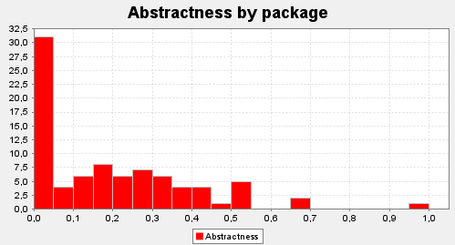
A | biz.ganttproject.impex.csv | 0.14285714286
A | biz.ganttproject.impex.ical | 0
A | biz.ganttproject.impex.msproject2 | 0.2
A | net.sourceforge.ganttproject | 0.16666666667
A | net.sourceforge.ganttproject.action | 0.3125
A | net.sourceforge.ganttproject.action.edit | 0
A | net.sourceforge.ganttproject.action.help | 0
A | net.sourceforge.ganttproject.action.project | 0.066666666667
A | net.sourceforge.ganttproject.action.resource | 0.1
A | net.sourceforge.ganttproject.action.scroll | 0
A | net.sourceforge.ganttproject.action.task | 0.1875
A | net.sourceforge.ganttproject.action.view | 0
A | net.sourceforge.ganttproject.action.zoom | 0
A | net.sourceforge.ganttproject.application | 0
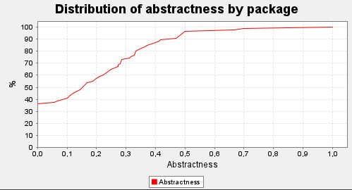
A | net.sourceforge.ganttproject.chart | 0.28
A | net.sourceforge.ganttproject.chart.export | 0.25
A | net.sourceforge.ganttproject.chart.export.calendar | 0.125
A | net.sourceforge.ganttproject.chart.gantt | 0
A | net.sourceforge.ganttproject.chart.item | 0
A | net.sourceforge.ganttproject.chart.mouse | 0.35294117647
A | net.sourceforge.ganttproject.chart.overview | 0
A | net.sourceforge.ganttproject.client | 0
A | net.sourceforge.ganttproject.customProperty | 0
A | net.sourceforge.ganttproject.document | 0.37037037037
A | net.sourceforge.ganttproject.document.webdav | 0.1
A | net.sourceforge.ganttproject.export | 0.25
A | net.sourceforge.ganttproject.filter | 0
A | net.sourceforge.ganttproject.font | 0
A | net.sourceforge.ganttproject.gui | 0.27397260274
A | net.sourceforge.ganttproject.gui.about | 0
A | net.sourceforge.ganttproject.gui.options | 0.22222222222
A | net.sourceforge.ganttproject.gui.options.model | 1 |  | Afferent Coupling:
A | net.sourceforge.ganttproject.gui.projectwizard | 0.15384615385
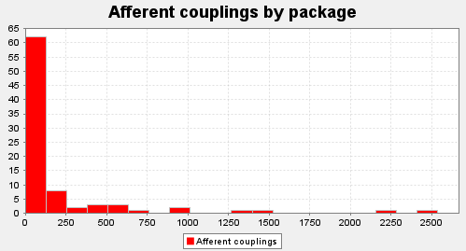
A | net.sourceforge.ganttproject.gui.scrolling | 0.66666666667
A | net.sourceforge.ganttproject.gui.tableView | 0
A | net.sourceforge.ganttproject.gui.taskproperties | 0.15384615385
A | net.sourceforge.ganttproject.gui.view | 0.5
A | net.sourceforge.ganttproject.gui.window | 0
A | net.sourceforge.ganttproject.gui.zoom | 0.25
A | net.sourceforge.ganttproject.importer | 0.27272727273
A | net.sourceforge.ganttproject.io | 0.055555555556
A | net.sourceforge.ganttproject.language | 0.28571428571
A | net.sourceforge.ganttproject.parser | 0.2
A | net.sourceforge.ganttproject.plugins | 0
A | net.sourceforge.ganttproject.print | 0
A | net.sourceforge.ganttproject.resource | 0.31578947368
A | net.sourceforge.ganttproject.roles | 0.36363636364
A | net.sourceforge.ganttproject.search | 0.33333333333
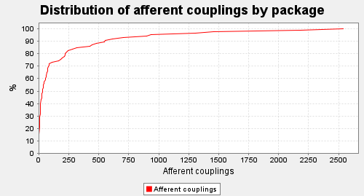
A | net.sourceforge.ganttproject.shape | 0
A | net.sourceforge.ganttproject.task | 0.32727272727
A | net.sourceforge.ganttproject.task.algorithm | 0.28571428571
A | net.sourceforge.ganttproject.task.dependency | 0.41666666667
A | net.sourceforge.ganttproject.task.dependency.constraint | 0.16666666667
A | net.sourceforge.ganttproject.task.event | 0.33333333333
A | net.sourceforge.ganttproject.task.hierarchy | 0
A | net.sourceforge.ganttproject.test.task | 0.11111111111
A | net.sourceforge.ganttproject.test.task.calendar | 0
A | net.sourceforge.ganttproject.test.task.dependency | 0
A | net.sourceforge.ganttproject.test.task.event | 0
A | net.sourceforge.ganttproject.test.task.hierarchy | 0
A | net.sourceforge.ganttproject.test.time | 0
A | net.sourceforge.ganttproject.undo | 0.5
A | net.sourceforge.ganttproject.util | 0.11111111111
A | net.sourceforge.ganttproject.util.collect | 0
A | net.sourceforge.ganttproject.wizard | 0.5 |  | Efferent Coupling:
A | org.ganttproject | 0
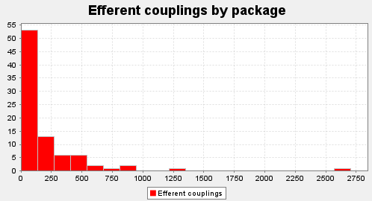
A | org.ganttproject.chart.pert | 0.125
A | org.ganttproject.impex.htmlpdf | 0.4
A | org.ganttproject.impex.htmlpdf.fonts | 0.25
A | org.ganttproject.impex.htmlpdf.itext | 0.14285714286
A | org.w3c.util | 0
Ca | biz.ganttproject.core.calendar | 550
Ca | biz.ganttproject.core.calendar.walker | 21
Ca | biz.ganttproject.core.chart.canvas | 708
Ca | biz.ganttproject.core.chart.grid | 181
Ca | biz.ganttproject.core.chart.render | 70
Ca | biz.ganttproject.core.chart.scene | 110
Ca | biz.ganttproject.core.chart.scene.gantt | 70
Ca | biz.ganttproject.core.chart.text | 30
Ca | biz.ganttproject.core.model.task | 282
Ca | biz.ganttproject.core.option | 1459
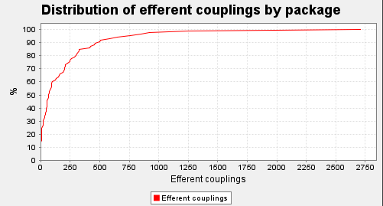
Ca | biz.ganttproject.core.table | 316
Ca | biz.ganttproject.core.time | 899
Ca | biz.ganttproject.core.time.impl | 60
Ca | biz.ganttproject.impex.csv | 4
Ca | biz.ganttproject.impex.ical | 0
Ca | biz.ganttproject.impex.msproject2 | 0
Ca | net.sourceforge.ganttproject | 2180
Ca | net.sourceforge.ganttproject.action | 480
Ca | net.sourceforge.ganttproject.action.edit | 14
Ca | net.sourceforge.ganttproject.action.help | 3
Ca | net.sourceforge.ganttproject.action.project | 7
Ca | net.sourceforge.ganttproject.action.resource | 31
Ca | net.sourceforge.ganttproject.action.scroll | 6
Ca | net.sourceforge.ganttproject.action.task | 10
Ca | net.sourceforge.ganttproject.action.view | 6
Ca | net.sourceforge.ganttproject.action.zoom | 12
Ca | net.sourceforge.ganttproject.application | 0 |  | Distane from the main Sequence:
Ca | net.sourceforge.ganttproject.chart | 423
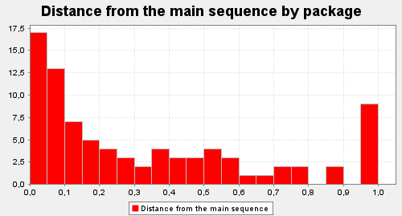
Ca | net.sourceforge.ganttproject.chart.export | 54
Ca | net.sourceforge.ganttproject.chart.export.calendar | 10
Ca | net.sourceforge.ganttproject.chart.gantt | 34
Ca | net.sourceforge.ganttproject.chart.item | 71
Ca | net.sourceforge.ganttproject.chart.mouse | 35
Ca | net.sourceforge.ganttproject.chart.overview | 78
Ca | net.sourceforge.ganttproject.client | 7
Ca | net.sourceforge.ganttproject.customProperty | 0
Ca | net.sourceforge.ganttproject.document | 220
Ca | net.sourceforge.ganttproject.document.webdav | 15
Ca | net.sourceforge.ganttproject.export | 84
Ca | net.sourceforge.ganttproject.filter | 9
Ca | net.sourceforge.ganttproject.font | 14
Ca | net.sourceforge.ganttproject.gui | 1304
Ca | net.sourceforge.ganttproject.gui.about | 6
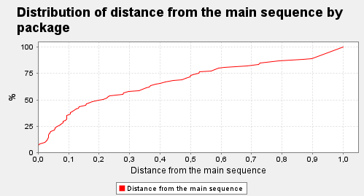
Ca | net.sourceforge.ganttproject.gui.options | 214
Ca | net.sourceforge.ganttproject.gui.options.model | 42
Ca | net.sourceforge.ganttproject.gui.projectwizard | 27
Ca | net.sourceforge.ganttproject.gui.scrolling | 14
Ca | net.sourceforge.ganttproject.gui.tableView | 4
Ca | net.sourceforge.ganttproject.gui.taskproperties | 29
Ca | net.sourceforge.ganttproject.gui.view | 44
Ca | net.sourceforge.ganttproject.gui.window | 4
Ca | net.sourceforge.ganttproject.gui.zoom | 62
Ca | net.sourceforge.ganttproject.importer | 53
Ca | net.sourceforge.ganttproject.io | 230
Ca | net.sourceforge.ganttproject.language | 936
Ca | net.sourceforge.ganttproject.parser | 162
Ca | net.sourceforge.ganttproject.plugins | 21
Ca | net.sourceforge.ganttproject.print | 4
Ca | net.sourceforge.ganttproject.resource | 554
Ca | net.sourceforge.ganttproject.roles | 243 |  | Instability:
Ca | net.sourceforge.ganttproject.search | 8
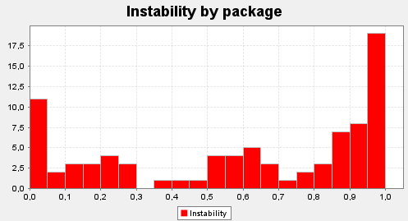
Ca | net.sourceforge.ganttproject.shape | 4
Ca | net.sourceforge.ganttproject.task | 2536
Ca | net.sourceforge.ganttproject.task.algorithm | 218
Ca | net.sourceforge.ganttproject.task.dependency | 611
Ca | net.sourceforge.ganttproject.task.dependency.constraint | 21
Ca | net.sourceforge.ganttproject.task.event | 73
Ca | net.sourceforge.ganttproject.task.hierarchy | 15
Ca | net.sourceforge.ganttproject.test.task | 444
Ca | net.sourceforge.ganttproject.test.task.calendar | 0
Ca | net.sourceforge.ganttproject.test.task.dependency | 0
Ca | net.sourceforge.ganttproject.test.task.event | 0
Ca | net.sourceforge.ganttproject.test.task.hierarchy | 0
Ca | net.sourceforge.ganttproject.test.time | 0
Ca | net.sourceforge.ganttproject.undo | 74
Ca | net.sourceforge.ganttproject.util | 88
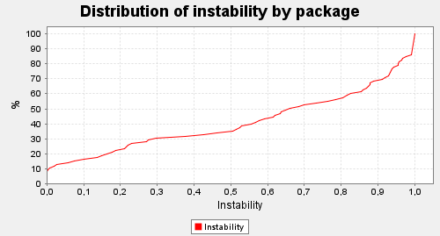
Ca | net.sourceforge.ganttproject.util.collect | 196
Ca | net.sourceforge.ganttproject.wizard | 24
Ca | org.ganttproject | 0
Ca | org.ganttproject.chart.pert | 0
Ca | org.ganttproject.impex.htmlpdf | 25
Ca | org.ganttproject.impex.htmlpdf.fonts | 22
Ca | org.ganttproject.impex.htmlpdf.itext | 15
Ca | org.w3c.util | 36
Ce | biz.ganttproject.core.calendar | 74
Ce | biz.ganttproject.core.calendar.walker | 18
Ce | biz.ganttproject.core.chart.canvas | 0
Ce | biz.ganttproject.core.chart.grid | 50
Ce | biz.ganttproject.core.chart.render | 128
Ce | biz.ganttproject.core.chart.scene | 163
Ce | biz.ganttproject.core.chart.scene.gantt | 246
Ce | biz.ganttproject.core.chart.text | 68
Ce | biz.ganttproject.core.model.task | 23
Ce | biz.ganttproject.core.option | 5
Ce | biz.ganttproject.core.table | 0
Ce | biz.ganttproject.core.time | 7
Ce | biz.ganttproject.core.time.impl | 98
Ce | biz.ganttproject.impex.csv | 501
Ce | biz.ganttproject.impex.ical | 47
Ce | biz.ganttproject.impex.msproject2 | 587
Ce | net.sourceforge.ganttproject | 2707
Ce | net.sourceforge.ganttproject.action | 123
Ce | net.sourceforge.ganttproject.action.edit | 158
Ce | net.sourceforge.ganttproject.action.help | 54
Ce | net.sourceforge.ganttproject.action.project | 208
Ce | net.sourceforge.ganttproject.action.resource | 206
Ce | net.sourceforge.ganttproject.action.scroll | 62
Ce | net.sourceforge.ganttproject.action.task | 423
Ce | net.sourceforge.ganttproject.action.view | 48
Ce | net.sourceforge.ganttproject.action.zoom | 21
Ce | net.sourceforge.ganttproject.application | 12
Ce | net.sourceforge.ganttproject.chart | 1254
Ce | net.sourceforge.ganttproject.chart.export | 78
Ce | net.sourceforge.ganttproject.chart.export.calendar | 225
Ce | net.sourceforge.ganttproject.chart.gantt | 507
Ce | net.sourceforge.ganttproject.chart.item | 8
Ce | net.sourceforge.ganttproject.chart.mouse | 262
Ce | net.sourceforge.ganttproject.chart.overview | 87
Ce | net.sourceforge.ganttproject.client | 91
Ce | net.sourceforge.ganttproject.customProperty | 0
Ce | net.sourceforge.ganttproject.document | 296
Ce | net.sourceforge.ganttproject.document.webdav | 322
Ce | net.sourceforge.ganttproject.export | 305
Ce | net.sourceforge.ganttproject.filter | 0
Ce | net.sourceforge.ganttproject.font | 0
Ce | net.sourceforge.ganttproject.gui | 851
Ce | net.sourceforge.ganttproject.gui.about | 42
Ce | net.sourceforge.ganttproject.gui.options | 646
Ce | net.sourceforge.ganttproject.gui.options.model | 55
Ce | net.sourceforge.ganttproject.gui.projectwizard | 204
Ce | net.sourceforge.ganttproject.gui.scrolling | 3
Ce | net.sourceforge.ganttproject.gui.tableView | 188
Ce | net.sourceforge.ganttproject.gui.taskproperties | 455
Ce | net.sourceforge.ganttproject.gui.view | 45
Ce | net.sourceforge.ganttproject.gui.window | 6
Ce | net.sourceforge.ganttproject.gui.zoom | 10
Ce | net.sourceforge.ganttproject.importer | 244
Ce | net.sourceforge.ganttproject.io | 460
Ce | net.sourceforge.ganttproject.language | 29
Ce | net.sourceforge.ganttproject.parser | 326
Ce | net.sourceforge.ganttproject.plugins | 8
Ce | net.sourceforge.ganttproject.print | 94
Ce | net.sourceforge.ganttproject.resource | 202
Ce | net.sourceforge.ganttproject.roles | 36
Ce | net.sourceforge.ganttproject.search | 69
Ce | net.sourceforge.ganttproject.shape | 0
Ce | net.sourceforge.ganttproject.task | 761
Ce | net.sourceforge.ganttproject.task.algorithm | 922
Ce | net.sourceforge.ganttproject.task.dependency | 150
Ce | net.sourceforge.ganttproject.task.dependency.constraint | 322
Ce | net.sourceforge.ganttproject.task.event | 31
Ce | net.sourceforge.ganttproject.task.hierarchy | 4
Ce | net.sourceforge.ganttproject.test.task | 9
Ce | net.sourceforge.ganttproject.test.task.calendar | 53
Ce | net.sourceforge.ganttproject.test.task.dependency | 193
Ce | net.sourceforge.ganttproject.test.task.event | 9
Ce | net.sourceforge.ganttproject.test.task.hierarchy | 89
Ce | net.sourceforge.ganttproject.test.time | 0
Ce | net.sourceforge.ganttproject.undo | 55
Ce | net.sourceforge.ganttproject.util | 17
Ce | net.sourceforge.ganttproject.util.collect | 0
Ce | net.sourceforge.ganttproject.wizard | 63
Ce | org.ganttproject | 0
Ce | org.ganttproject.chart.pert | 66
Ce | org.ganttproject.impex.htmlpdf | 414
Ce | org.ganttproject.impex.htmlpdf.fonts | 40
Ce | org.ganttproject.impex.htmlpdf.itext | 283
Ce | org.w3c.util | 0
D | biz.ganttproject.core.calendar | 0.52846907994
D | biz.ganttproject.core.calendar.walker | 0.038461538462
D | biz.ganttproject.core.chart.canvas | 0.78947368421
D | biz.ganttproject.core.chart.grid | 0.49783549784
D | biz.ganttproject.core.chart.render | 0.35353535354
D | biz.ganttproject.core.chart.scene | 0.29706959707
D | biz.ganttproject.core.chart.scene.gantt | 0.17848101266
D | biz.ganttproject.core.chart.text | 0.033395176252
D | biz.ganttproject.core.model.task | 0.5912568306
D | biz.ganttproject.core.option | 0.52599646416
D | biz.ganttproject.core.table | 0.5
D | biz.ganttproject.core.time | 0.5805090248
D | biz.ganttproject.core.time.impl | 0.21308016878
D | biz.ganttproject.impex.csv | 0.13493635078
D | biz.ganttproject.impex.ical | 0
D | biz.ganttproject.impex.msproject2 | 0.2
D | net.sourceforge.ganttproject | 0.27941477389
D | net.sourceforge.ganttproject.action | 0.4835199005
D | net.sourceforge.ganttproject.action.edit | 0.081395348837
D | net.sourceforge.ganttproject.action.help | 0.052631578947
D | net.sourceforge.ganttproject.action.project | 0.034108527132
D | net.sourceforge.ganttproject.action.resource | 0.030801687764
D | net.sourceforge.ganttproject.action.scroll | 0.088235294118
D | net.sourceforge.ganttproject.action.task | 0.16440531178
D | net.sourceforge.ganttproject.action.view | 0.11111111111
D | net.sourceforge.ganttproject.action.zoom | 0.36363636364
D | net.sourceforge.ganttproject.application | 0
D | net.sourceforge.ganttproject.chart | 0.027763864043
D | net.sourceforge.ganttproject.chart.export | 0.15909090909
D | net.sourceforge.ganttproject.chart.export.calendar | 0.082446808511
D | net.sourceforge.ganttproject.chart.gantt | 0.062846580407
D | net.sourceforge.ganttproject.chart.item | 0.89873417722
D | net.sourceforge.ganttproject.chart.mouse | 0.23509605863
D | net.sourceforge.ganttproject.chart.overview | 0.47272727273
D | net.sourceforge.ganttproject.client | 0.071428571429
D | net.sourceforge.ganttproject.customProperty | 1
D | net.sourceforge.ganttproject.document | 0.055986218777
D | net.sourceforge.ganttproject.document.webdav | 0.055489614243
D | net.sourceforge.ganttproject.export | 0.034061696658
D | net.sourceforge.ganttproject.filter | 1
D | net.sourceforge.ganttproject.font | 1
D | net.sourceforge.ganttproject.gui | 0.33113180561
D | net.sourceforge.ganttproject.gui.about | 0.125
D | net.sourceforge.ganttproject.gui.options | 0.02661498708
D | net.sourceforge.ganttproject.gui.options.model | 0.56701030928
D | net.sourceforge.ganttproject.gui.projectwizard | 0.036963036963
D | net.sourceforge.ganttproject.gui.scrolling | 0.1568627451
D | net.sourceforge.ganttproject.gui.tableView | 0.020833333333
D | net.sourceforge.ganttproject.gui.taskproperties | 0.093928798474
D | net.sourceforge.ganttproject.gui.view | 0.0056179775281
D | net.sourceforge.ganttproject.gui.window | 0.4
D | net.sourceforge.ganttproject.gui.zoom | 0.61111111111
D | net.sourceforge.ganttproject.importer | 0.094276094276
D | net.sourceforge.ganttproject.io | 0.27777777778
D | net.sourceforge.ganttproject.language | 0.68423390081
D | net.sourceforge.ganttproject.parser | 0.13196721311
D | net.sourceforge.ganttproject.plugins | 0.72413793103
D | net.sourceforge.ganttproject.print | 0.040816326531
D | net.sourceforge.ganttproject.resource | 0.41701475912
D | net.sourceforge.ganttproject.roles | 0.5073313783
D | net.sourceforge.ganttproject.search | 0.22943722944
D | net.sourceforge.ganttproject.shape | 1
D | net.sourceforge.ganttproject.task | 0.44191137949
D | net.sourceforge.ganttproject.task.algorithm | 0.094486215539
D | net.sourceforge.ganttproject.task.dependency | 0.38622426632
D | net.sourceforge.ganttproject.task.dependency.constraint | 0.10544217687
D | net.sourceforge.ganttproject.task.event | 0.36858974359
D | net.sourceforge.ganttproject.task.hierarchy | 0.78947368421
D | net.sourceforge.ganttproject.test.task | 0.86902133922
D | net.sourceforge.ganttproject.test.task.calendar | 0
D | net.sourceforge.ganttproject.test.task.dependency | 0
D | net.sourceforge.ganttproject.test.task.event | 0
D | net.sourceforge.ganttproject.test.task.hierarchy | 0
D | net.sourceforge.ganttproject.test.time | 1
D | net.sourceforge.ganttproject.undo | 0.073643410853
D | net.sourceforge.ganttproject.util | 0.72698412698
D | net.sourceforge.ganttproject.util.collect | 1
D | net.sourceforge.ganttproject.wizard | 0.22413793103
D | org.ganttproject | 1
D | org.ganttproject.chart.pert | 0.125
D | org.ganttproject.impex.htmlpdf | 0.3430523918
D | org.ganttproject.impex.htmlpdf.fonts | 0.10483870968
D | org.ganttproject.impex.htmlpdf.itext | 0.092521572387
D | org.w3c.util | 1
I | biz.ganttproject.core.calendar | 0.14979757085
I | biz.ganttproject.core.calendar.walker | 0.46153846154
I | biz.ganttproject.core.chart.canvas | 0
I | biz.ganttproject.core.chart.grid | 0.1875
I | biz.ganttproject.core.chart.render | 0.63541666667
I | biz.ganttproject.core.chart.scene | 0.57692307692
I | biz.ganttproject.core.chart.scene.gantt | 0.85496183206
I | biz.ganttproject.core.chart.text | 0.76404494382
I | biz.ganttproject.core.model.task | 0.075409836066
I | biz.ganttproject.core.option | 0.0034916201117
I | biz.ganttproject.core.table | 0
I | biz.ganttproject.core.time | 0.0077519379845
I | biz.ganttproject.core.time.impl | 0.61538461538
I | biz.ganttproject.impex.csv | 0.99120879121
I | biz.ganttproject.impex.ical | 1
I | biz.ganttproject.impex.msproject2 | 1
I | net.sourceforge.ganttproject | 0.5289461782
I | net.sourceforge.ganttproject.action | 0.22082585278
I | net.sourceforge.ganttproject.action.edit | 0.91860465116
I | net.sourceforge.ganttproject.action.help | 0.7
I | net.sourceforge.ganttproject.action.project | 0.96744186047
I | net.sourceforge.ganttproject.action.resource | 0.86919831224
I | net.sourceforge.ganttproject.action.scroll | 0.91176470588
I | net.sourceforge.ganttproject.action.task | 0.97668997669
I | net.sourceforge.ganttproject.action.view | 0.88
I | net.sourceforge.ganttproject.action.zoom | 0.63636363636
I | net.sourceforge.ganttproject.application | 1
I | net.sourceforge.ganttproject.chart | 0.73206056616
I | net.sourceforge.ganttproject.chart.export | 0.59090909091
I | net.sourceforge.ganttproject.chart.export.calendar | 0.93243243243
I | net.sourceforge.ganttproject.chart.gantt | 0.93715341959
I | net.sourceforge.ganttproject.chart.item | 0.10126582278
I | net.sourceforge.ganttproject.chart.mouse | 0.87931034483
I | net.sourceforge.ganttproject.chart.overview | 0.51592356688
I | net.sourceforge.ganttproject.client | 0.92857142857
I | net.sourceforge.ganttproject.customProperty | 1
I | net.sourceforge.ganttproject.document | 0.52449567723
I | net.sourceforge.ganttproject.document.webdav | 0.95483870968
I | net.sourceforge.ganttproject.export | 0.82674772036
I | net.sourceforge.ganttproject.filter | 0
I | net.sourceforge.ganttproject.font | 0
I | net.sourceforge.ganttproject.gui | 0.37610850287
I | net.sourceforge.ganttproject.gui.about | 0.875
I | net.sourceforge.ganttproject.gui.options | 0.80402684564
I | net.sourceforge.ganttproject.gui.options.model | 0.56701030928
I | net.sourceforge.ganttproject.gui.projectwizard | 0.86082474227
I | net.sourceforge.ganttproject.gui.scrolling | 0.17647058824
I | net.sourceforge.ganttproject.gui.tableView | 0.96460176991
I | net.sourceforge.ganttproject.gui.taskproperties | 0.93453724605
I | net.sourceforge.ganttproject.gui.view | 0.50561797753
I | net.sourceforge.ganttproject.gui.window | 0.55555555556
I | net.sourceforge.ganttproject.gui.zoom | 0.057692307692
I | net.sourceforge.ganttproject.importer | 0.81597222222
I | net.sourceforge.ganttproject.io | 0.64831804281
I | net.sourceforge.ganttproject.language | 0.026427061311
I | net.sourceforge.ganttproject.parser | 0.66108786611
I | net.sourceforge.ganttproject.plugins | 0.27586206897
I | net.sourceforge.ganttproject.print | 0.95833333333
I | net.sourceforge.ganttproject.resource | 0.2700729927
I | net.sourceforge.ganttproject.roles | 0.13740458015
I | net.sourceforge.ganttproject.search | 0.88732394366
I | net.sourceforge.ganttproject.shape | 0
I | net.sourceforge.ganttproject.task | 0.21625121399
I | net.sourceforge.ganttproject.task.algorithm | 0.785
I | net.sourceforge.ganttproject.task.dependency | 0.22994652406
I | net.sourceforge.ganttproject.task.dependency.constraint | 0.9387755102
I | net.sourceforge.ganttproject.task.event | 0.29807692308
I | net.sourceforge.ganttproject.task.hierarchy | 0.21052631579
I | net.sourceforge.ganttproject.test.task | 0.019867549669
I | net.sourceforge.ganttproject.test.task.calendar | 1
I | net.sourceforge.ganttproject.test.task.dependency | 1
I | net.sourceforge.ganttproject.test.task.event | 1
I | net.sourceforge.ganttproject.test.task.hierarchy | 1
I | net.sourceforge.ganttproject.test.time | 1
I | net.sourceforge.ganttproject.undo | 0.42635658915
I | net.sourceforge.ganttproject.util | 0.1619047619
I | net.sourceforge.ganttproject.util.collect | 0
I | net.sourceforge.ganttproject.wizard | 0.68421052632
I | org.ganttproject | 1
I | org.ganttproject.chart.pert | 1
I | org.ganttproject.impex.htmlpdf | 0.94279176201
I | org.ganttproject.impex.htmlpdf.fonts | 0.62068965517
I | org.ganttproject.impex.htmlpdf.itext | 0.95563139932
I | org.w3c.util | 0

